Sheet1
 | Document No. |  | Issue No. | Issue Date |  | Review and Replace Date |  | Authorised By
 | GFF500MC |  | 1 | 15.05.2025 |  | New Issue
 | Document Title |  | Lidl Vitasia - 8 Vegetable Samosa w/ Mango & Corinader dip 240g
 |  |  |  |  |  |  |  | Magda Shah
Document amendments reason for change | New Doc |  | Page 1 of 1 |  | Previous Issue Date |  | New Issue | Uncontrolled copy unless signed original

VSAC-1R5TLI |  | LIDL- Vitasia |  | 8 Vegetable Samosa with Mango & Corinader Dip 240g
Step 1 |  |  |  | Step 2
 |  |  |  | 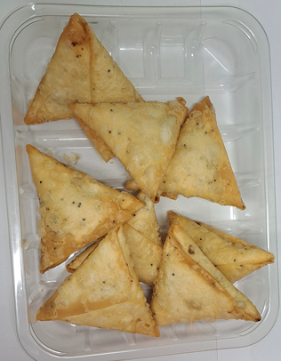

COOK DAY +18 DAYS

Tray: HP-C5E- Clear Trays (PKHOL001-07) |  |  |  | 8 x Lidl Xmas Vegetable Samosa 25g (GFF508R): 200g
Film: K Peel RPSM 25µm (340mmX1000lm)-(PKKMP001-05)
Step 3 |  |  |  | Step 4
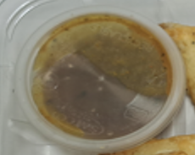 |  |  |  | 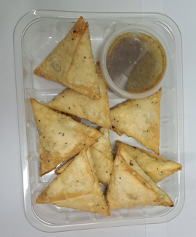

Mango & Coriander Dip (GFF498R): 40g |  |  |  | 8 Vegetable Samosa w/ Mango & Corinader dip 240g
Satco 2oz Pots with Lids (PKJEN001-03) |  |  |  |  |  |  | Total Weight: 240g
ALLERGY ALERT: Wheat

